WireFrame
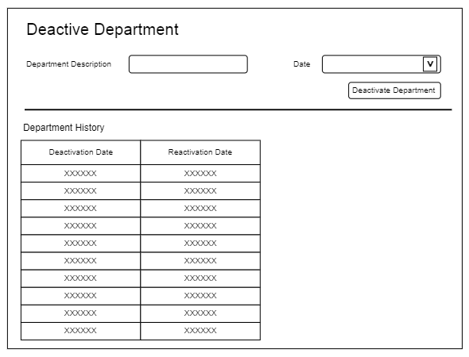
Title | Form Design
Design Type | Form
List Title | Deactive Department form

